市场分析
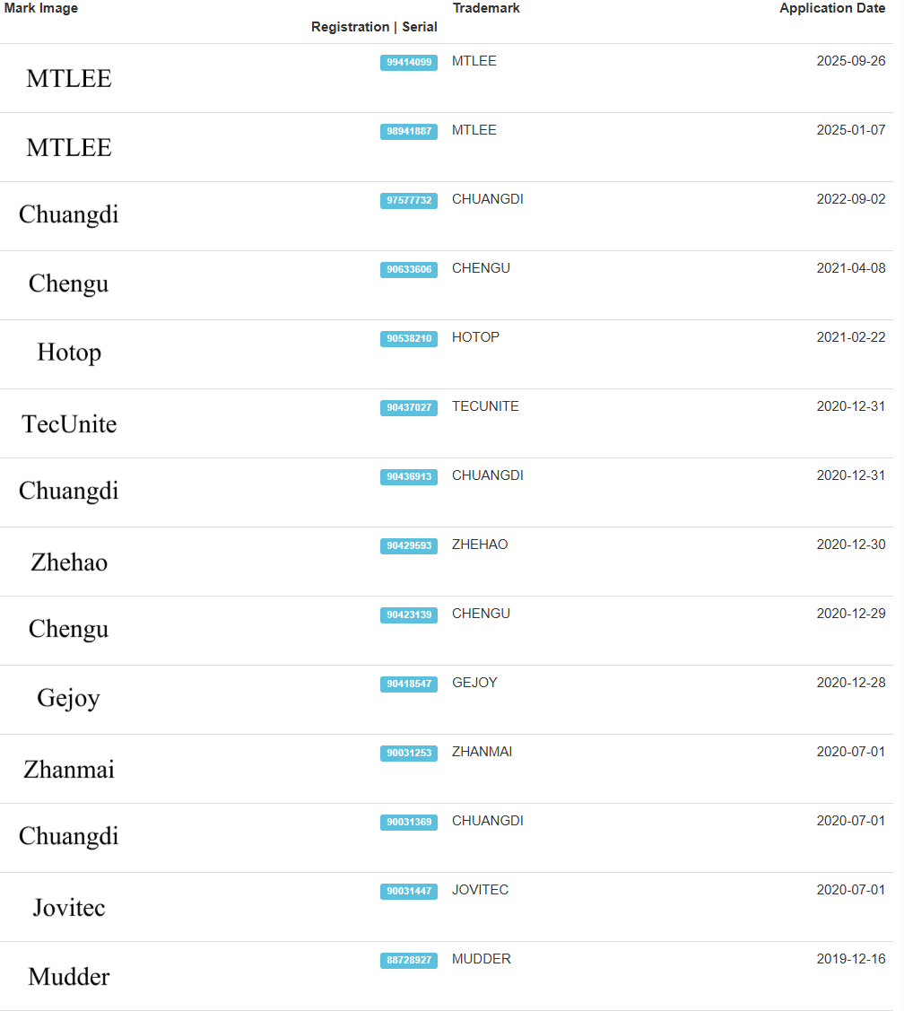
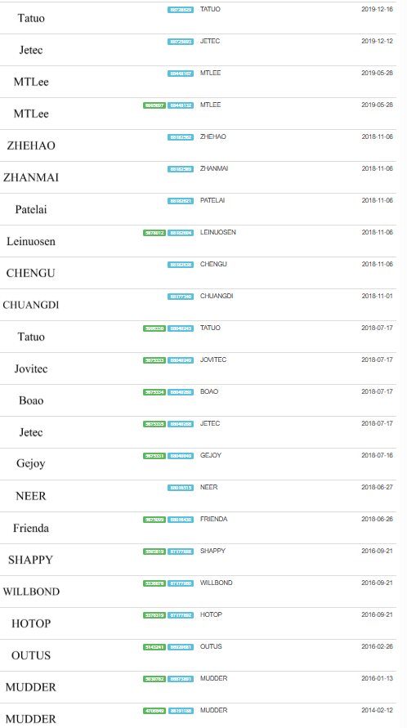
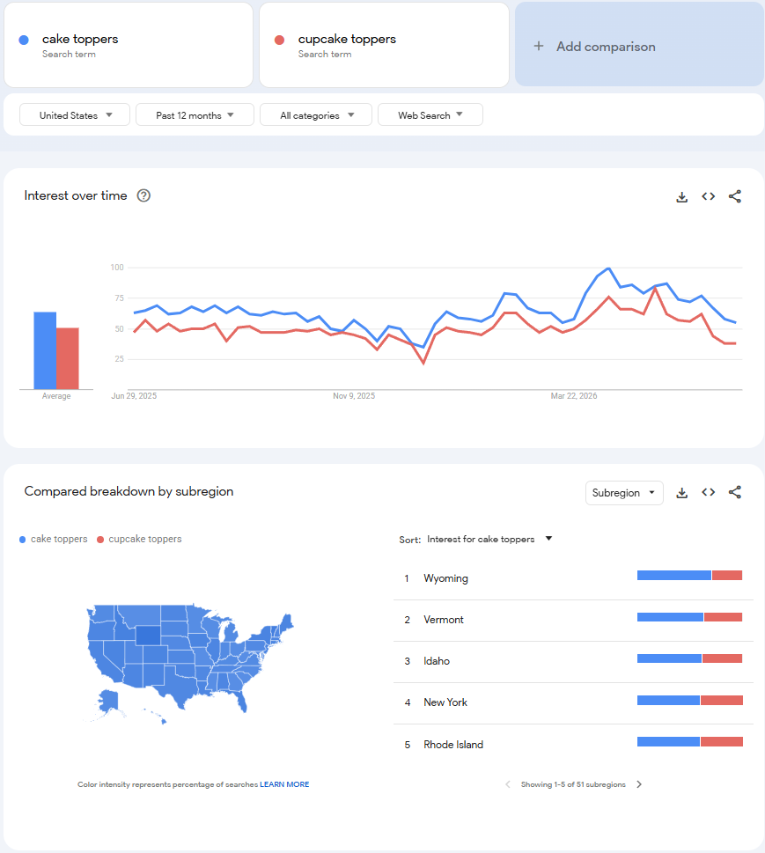
市场趋势及分析

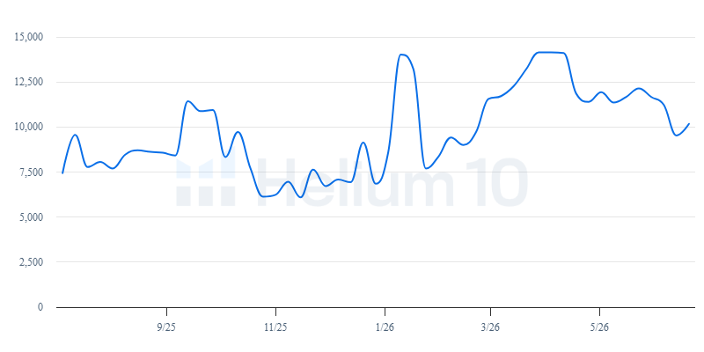
 | 品牌 | 求和项:日销量 | 求和项:月销量 | 求和项:月销售额 | 计数项:ASIN | 市场份额
 | ASTARON | 21.47 | 644 | 6433.56 | 1 | 1.03%
 | BACH AND BOUJEE | 34.80 | 1044 | 12402.72 | 1 | 1.99%
 | BANBALLON | 71.60 | 2148 | 19052.76 | 1 | 3.06%
 | BEISHIDA | 26.10 | 783 | 7822.17 | 1 | 1.26%
 | Bluey | 130.03 | 3901 | 41190.10 | 2 | 6.62%
 | Chinco | 23.00 | 690 | 6893.10 | 1 | 1.11%
 | Colingmill | 20.83 | 625 | 13637.50 | 1 | 2.19%
 | DecoPac | 243.77 | 7313 | 91885.79 | 4 | 14.76%
 | EBWHOLE | 22.30 | 669 | 8690.31 | 1 | 1.40%
 | Ephlyn | 19.13 | 574 | 3438.26 | 1 | 0.55%
 | Ercadio | 29.47 | 884 | 7947.16 | 1 | 1.28%
 | Florcmet | 46.37 | 1391 | 7569.84 | 2 | 1.22%
 | Genasce | 114.07 | 3422 | 37760.69 | 2 | 6.07%
 | glahorse | 72.80 | 2184 | 21818.16 | 1 | 3.51%
 | Gyufise | 31.37 | 941 | 6577.59 | 1 | 1.06%
 | Handmade | 49.77 | 1493 | 26859.07 | 1 | 4.32%
 | Hazyore | 48.60 | 1458 | 6356.88 | 1 | 1.02%
 | JOGILBOY | 45.93 | 1378 | 8405.80 | 1 | 1.35%
 | Keaziu | 21.87 | 656 | 5897.44 | 1 | 0.95%
 | KIGEAPUEL | 34.83 | 1045 | 7304.55 | 1 | 1.17%
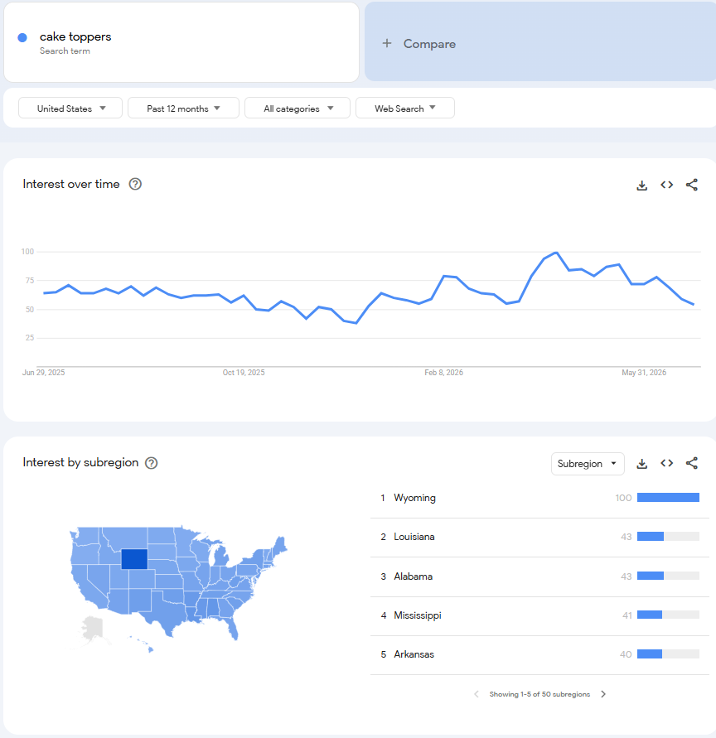
 | LEQDO | 23.03 | 691 | 11049.09 | 1 | 1.78%
 | LetsCake | 78.87 | 2366 | 11806.34 | 1 | 1.90%
 | LMHRZH | 27.80 | 834 | 9457.56 | 1 | 1.52%
 | Losede | 43.90 | 1317 | 10455.83 | 2 | 1.68%
 | Moitkptt | 30.00 | 900 | 7191.00 | 1 | 1.16%
 | NatNarr | 28.13 | 844 | 5055.56 | 1 | 0.81%
 | Pistha | 53.80 | 1614 | 14509.86 | 1 | 2.33%
 | QZYL | 379.10 | 11373 | 68124.27 | 1 | 10.95%
 | Seyal | 26.93 | 808 | 7263.92 | 1 | 1.17%
 | Sleyberoy | 30.97 | 929 | 5564.71 | 1 | 0.89%
 | SPFYunion | 28.30 | 849 | 6783.51 | 1 | 1.09%
 | V TOWER | 24.33 | 730 | 7292.70 | 1 | 1.17%
 | VINCREY | 78.70 | 2361 | 11781.39 | 1 | 1.89%
 | WOW DING | 81.20 | 2436 | 12155.64 | 1 | 1.95%
 | YEEFIGRO | 69.50 | 2085 | 20829.15 | 1 | 3.35%
 | Yerliker | 31.63 | 949 | 9936.03 | 1 | 1.60%
 | Zafena | 76.90 | 2307 | 34122.93 | 2 | 5.48%
 | ZHENGYE | 56.30 | 1689 | 10117.11 | 1 | 1.63%
 | ZHUOWEISM | 72.07 | 2162 | 10946.30 | 2 | 1.76%
 | 总计 | 2349.57 | 70487 | 622386.35 | 48

 | 价格 | 求和项:日销量 | 求和项:月销量 | 求和项:月销售额 | 计数项:ASIN | 市场份额
 | 4-7 | 1054.63 | 31639 | 180041.32 | 17 | 28.93%
 | 7-10 | 705.00 | 21150 | 192825.13 | 17 | 30.98%
 | 10-13 | 312.53 | 9376 | 112195.37 | 7 | 18.03%
 | 13-16 | 131.20 | 3936 | 58294.64 | 4 | 9.37%
 | 16-19 | 125.37 | 3761 | 65392.39 | 2 | 10.51%
 | 19-22 | 20.83 | 625 | 13637.50 | 1 | 2.19%
 | 总计 | 2349.57 | 70487 | 622386.35 | 48

 | 评分 | 求和项:日销量 | 求和项:月销量 | 求和项:月销售额 | 计数项:ASIN | 市场份额
 | 3.5-4 | 52.23 | 1567 | 13664.24 | 1 | 2.20%
 | 4-4.5 | 674.73 | 20242 | 173794.39 | 9 | 27.92%
 | 4.5-5 | 1622.60 | 48678 | 434927.72 | 38 | 69.88%
 | 总计 | 2349.57 | 70487 | 622386.35 | 48

 | 评论数区间 | 求和项:求和项:日销量 | 求和项:求和项:月销量 | 求和项:求和项:月销售额 | 求和项:计数项:ASIN | 市场份额
 | <100 | 236.57 | 7097 | 55200.93 | 7 | 8.87%
 | 100-499 | 973.63 | 29209 | 250467.99 | 16 | 40.24%
 | 500-999 | 488.70 | 14661 | 153660.34 | 13 | 24.69%
 | 1000-1999 | 360.33 | 10810 | 98815.88 | 7 | 15.88%
 | >2000 | 290.33 | 8710 | 64241.21 | 5 | 10.32%
 | 总计 | 2349.57 | 70487 | 622386.35 | 48

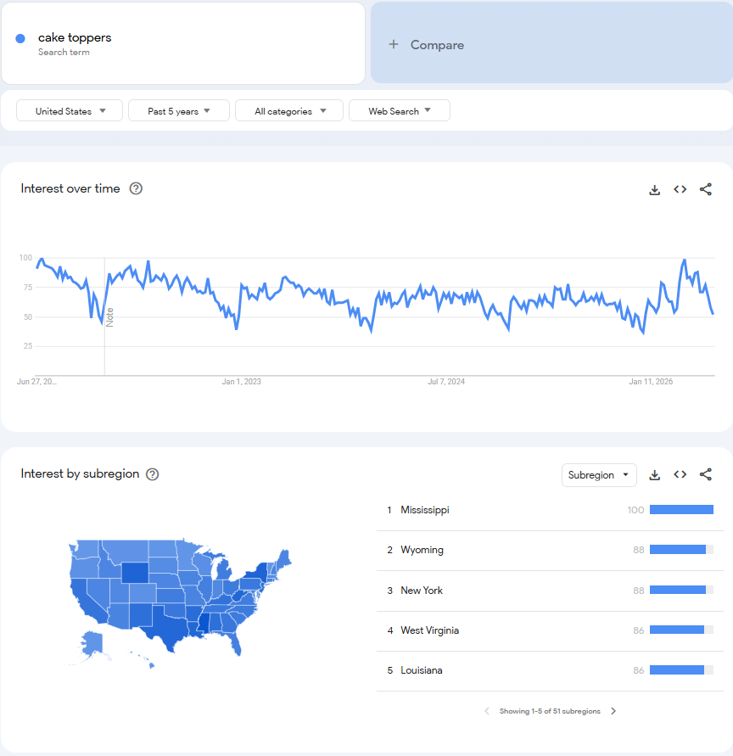
 | 1. 整体市场结论 |  | 2. 目前竞争格局 |  | 3. 细分市场--价位段 |  | 4. 外观设计情况 | 4. RV和Rating情况
 | Top48产品平均月销量约1087件，头部产品月销量达到11,373件，说明市场需求较为旺盛。 |  | 从品牌数据来看：DecoPac、BlueyGenasce、Handmade、QZYL、WOW DING，均有产品进入Top榜单。 |  | 数据还显示：平均售价：9.45 USD，价格中位数：8.99 USD；说明：目前市场主要集中在6.99–9.99 USD这一价格区间。 |  | 主题设计：占比较高：Graduation、Birthday、Baby Shower、Wedding、Butterfly、Bluey（IP主题）；说明：消费者更关注主题化设计，而不是单纯造型。 | Review：平均Review数：886，最高：7958，最低：6；说明：市场竞争较成熟。新品一般需要：300~500 Review，才具有一定竞争力。
 | Top10产品月销量明显领先，其余产品销量较为分散，属于"头部爆款+长尾产品"并存的市场。 |  | 虽然DecoPac月销售额最高，但市场份额仅约15%左右，没有品牌形成绝对垄断。说明：市场进入门槛不高；新品牌仍有机会通过差异化设计进入市场。 |  | 建议新品：售价8.99~10.99 USD，竞争压力最小。 |  | 材质主要包括：Acrylic（亚克力）、Glitter Card（闪粉卡纸）、Plastic（塑料）、Paper（纸质）；其中：Acrylic逐渐成为高端产品主要材质。 颜色：目前市场：Gold、Black Gold、Rose Gold、Pink、Blue；Gold仍然占据主流。 | Rating：统计结果：平均评分：4.60，中位数：4.70，最高：4.90，最低：3.50；可以看出：多数畅销产品评分保持在4.6~4.8之间。因此：若新品评分低于4.5，竞争力会明显下降。
 | 产品主要应用于生日、毕业、婚礼、Baby Shower、卡通主题派对等场景，消费具有明显的节庆属性，但全年仍保持持续需求。 |  | 竞争主要集中在：外观设计、节日主题、Bundle组合、图片展示、Review数量，而不是价格竞争。 |  |  |  | 套装数量：目前产品：24PCS、36PCS、48PCS、60PCS；说明：消费者越来越倾向于购买Bundle。 建议开发：Acrylic、Rose Gold、Personalized、Bundle；提升产品差异化。 | 高评分产品通常具备：设计美观、材质牢固、包装完整、颜色一致、易于安装。 低评分产品常见问题包括：材质过薄、包装导致弯折、尺寸偏小、实物颜色与图片不符、做工粗糙。

